Datailed Inquiry Information
Detailed Inquiry Information

 |  |  |  | The aim of this ISD-initiated project is to expedite the process during the IA month-end closing,
 |  |  |  | removing unnecessary steps. We have developed this tool to serve as a means of reducing the time consumed during month-end closing.

 |  | Please click

 |  |  | Navigation where to add the function

 | Function to be added

Additional downloader

Detailed Investigation Result
Detailed Investigation Result

 | Data Download Script

 | Data Download Script

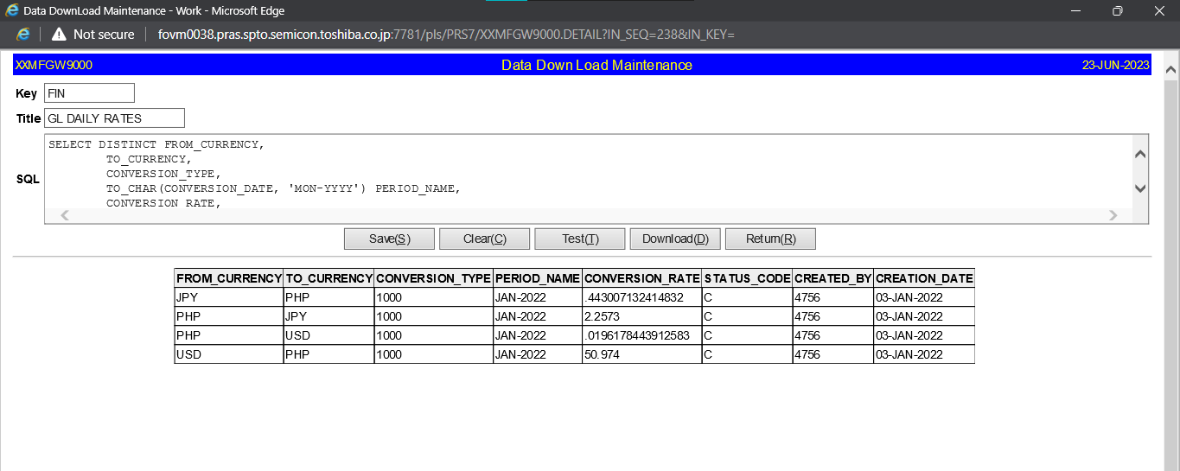

 | Data Download Script

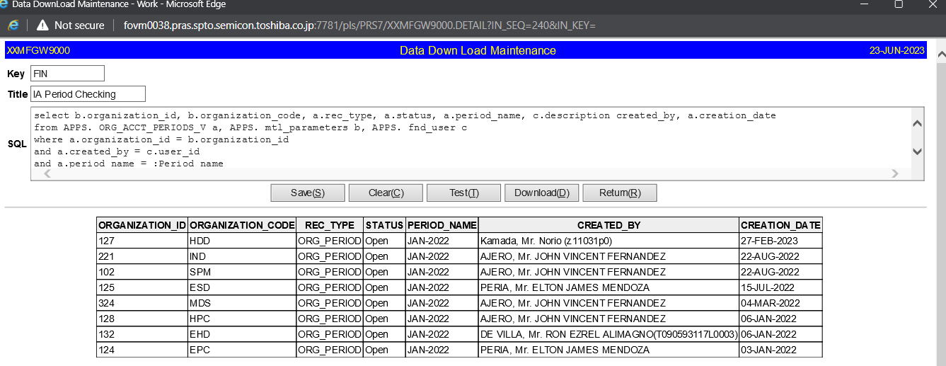

 |  | Setup steps in PRS7:

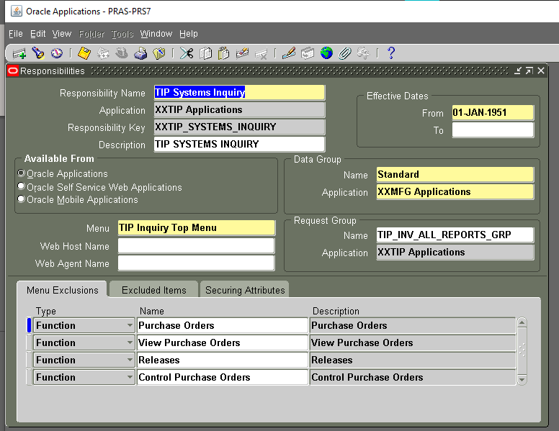

Define the "TIP Systems Inquiry"
Responsibility using System Administrator>Security>Responsibility>Define

Get the menu name "TIP Inquiry Top Menu"

 | You may directly proceed to these steps.

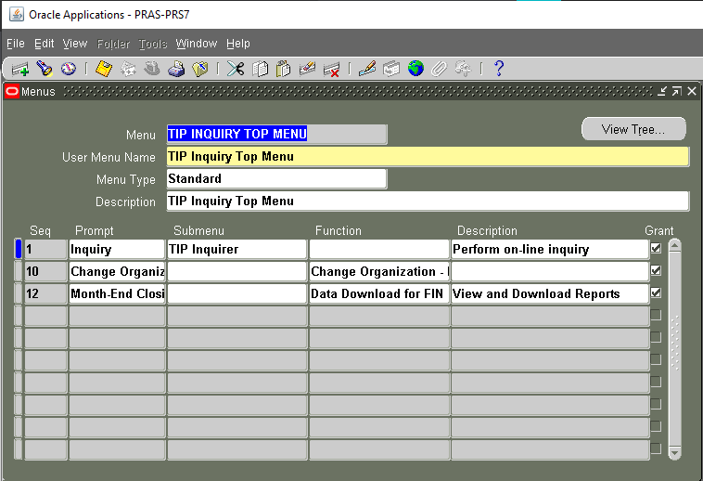

Serach for "TIP INQUIRY TOP MENU" using System Administrator>Application>Menu

Add this to the row

Helpdesk Request
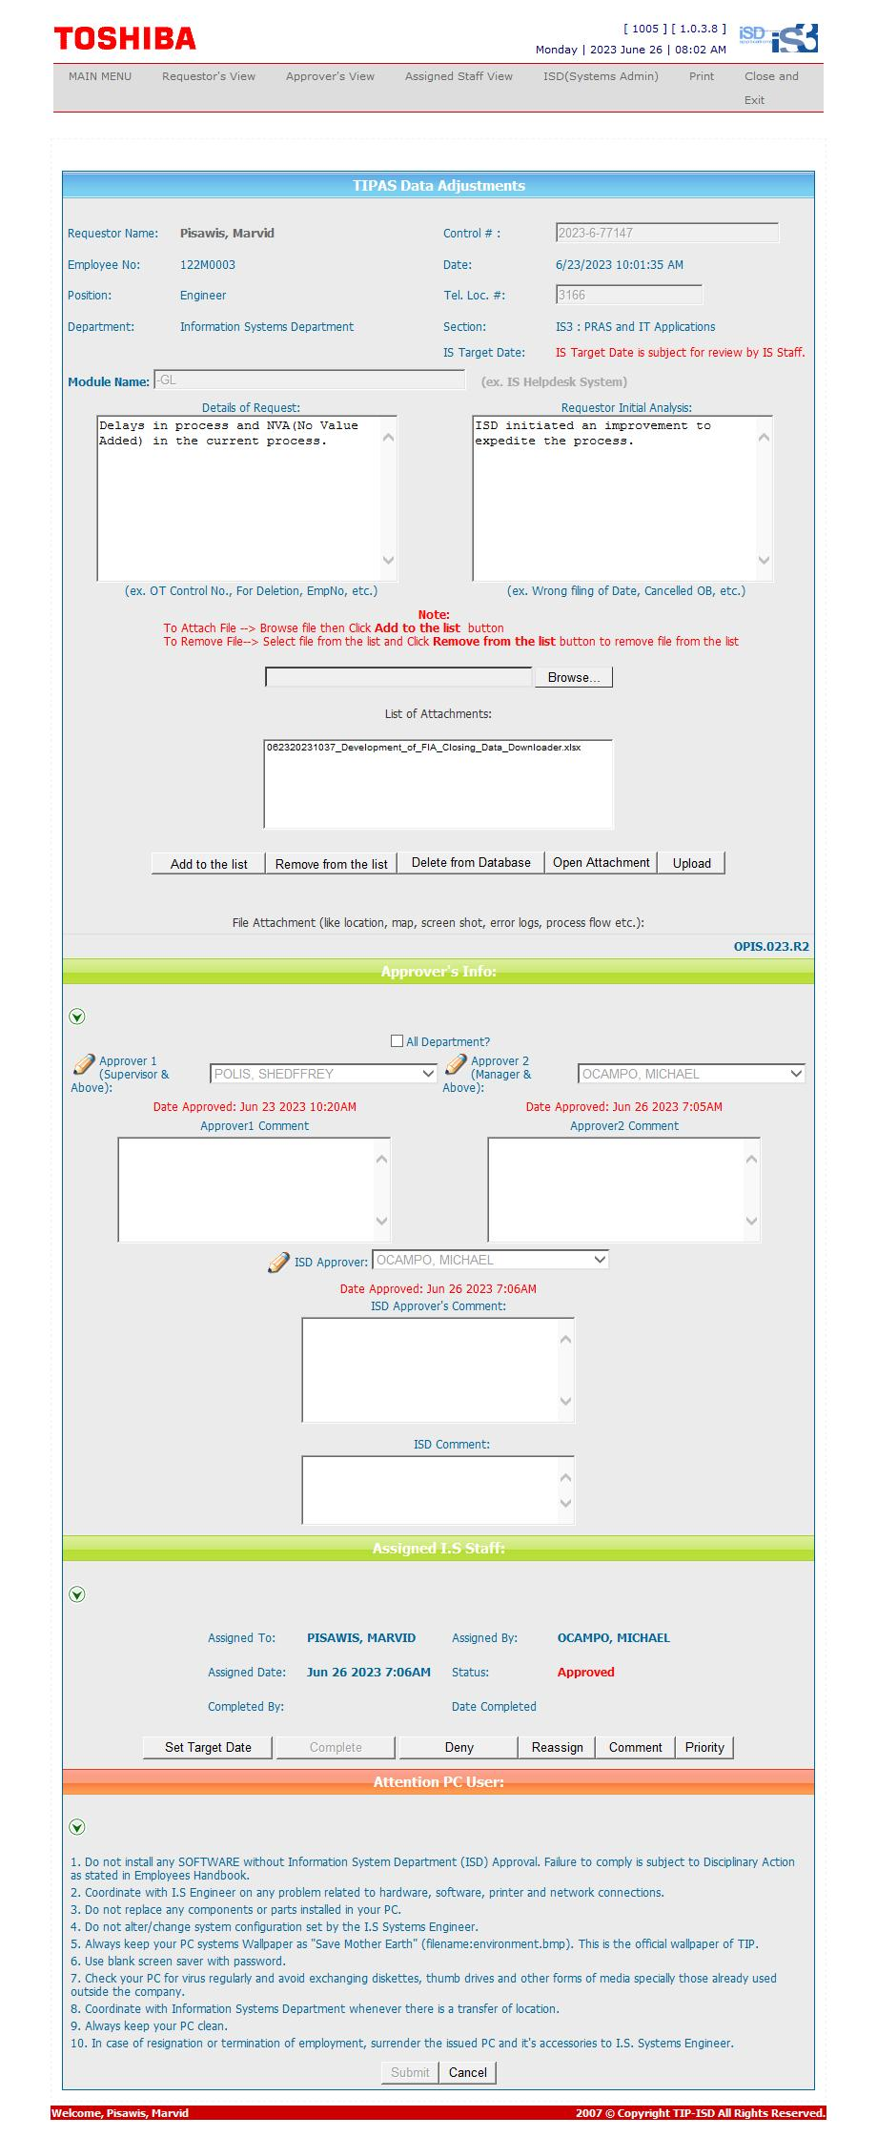
Helpdesk Request

